Calculation sheet - DK
INFRALAN kabler, cenelec & iso/iec varmeberegning for INFRALAN kabler.

I henhold til EN50174-2:2018. Fuld belastet - 100W type 4 på alle kabler

Varemærke |  |  | INFRALAN | INFRALAN | INFRALAN | INFRALAN | INFRALAN | INFRALAN | INFRALAN | INFRALAN | INFRALAN | INFRALAN | INFRALAN
Kabel type |  |  | Cat.5e U/UTP Indoor | Cat.6 U/UTP Indoor | Cat.6 F/UTP Indoor | Cat.6A U/UTP Indoor | Cat.6A U/UTP XT Indoor | Cat.6A F/FTP Indoor | Cat.6A U/FTP Indoor | Cat.6A S/FTP Indoor | Cat.7 S/FTP Indoor | Cat.7 S/FTP Indoor | Cat.7 S/FTP Indoor/Outdoor
El nummer |  |  | 883201262 | 883201204 | 883201181 | 883201165 |  | 883201194 | 810000639 |  | 5483508470 |  | 810000725
El nummer |  |  |  | 883201217 |  | 883201233 |  |  | 883201152
Kabel identifikationsnummer : |  |  | DK-ICD5EUW.305-V1 DK-ICD5EUW.305-V1 | DK-ICD6UW.305-V1 DK-ICD6UW.500-V1 | DK-ICD6FUW.305-V1 | DK-ICD6AUW.305-V1 DK-ICD6AUW.500-V1 | DK-ICD6AUXTW.500-V1 | DK-ICD6AFFW.500-V1 | 99978.305-CPR DK-ICD6AUFW.500-V1 | DK-ICD6ASFW.500-V1 | DK-ICD7SFO.500-V1 | 99981.500-CPR | DK-ICIO7SFTP.500
Antal kabler pr. bundt Afstand mellem bundter er overholdt. | Indtast antal kabler pr. kabelbundt : |  | 24 | 24 | 24 | 24 | 24 | 24 | 24 | 24 | 24 | 24 | 24
Kabel ydre Diamter (mm) |  |  | 5.0 | 5.6 | 7.2 | 7.5 | 7.4 | 7.4 | 7.2 | 7.4 | 7.3 | 7.5 | 7.4
Kabel DCR, (ohm/m) |  |  | 0.095 | 0.0913 | 0.0913 | 0.095 | 0.083 | 0.0856 | 0.0856 | 0.0856 | 0.0825 | 0.073 | 0.0856
Omgivelsestemperatur C° | Indtast normal omgivelsestemperatur : |  | 25 | 25 | 25 | 25 | 25 | 25 | 25 | 25 | 25 | 25 | 25

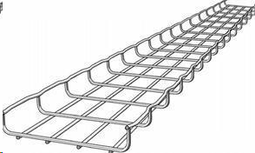
Installations type E/F:
 |  | Delta T Celsius | 7.20 | 6.37 | 5.34 | 5.41 | 4.77 | 4.92 | 5.01 | 4.92 | 4.78 | 4.16 | 4.92
E/F Ventilerede kabelstige el. lign. |  | Operating Temp. C° | 32.20 | 31.37 | 30.34 | 30.41 | 29.77 | 29.92 | 30.01 | 29.92 | 29.78 | 29.16 | 29.92

 |  | 0.0578

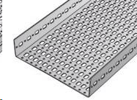
Installations type C:

Åben perforeret kabelbakke |  | Delta T Celsius | 9.01 | 7.92 | 6.55 | 6.61 | 5.84 | 6.02 | 6.14 | 6.02 | 5.86 | 5.08 | 6.02
 |  | Operating Temp. C° | 34.01 | 32.92 | 31.55 | 31.61 | 30.84 | 31.02 | 31.14 | 31.02 | 30.86 | 30.08 | 31.02
 |  | 0.0772

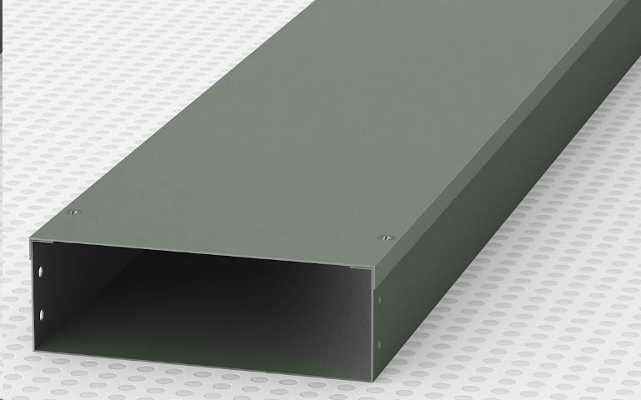
Installations type B:

Lukket plast/stål/alu kanal |  | Delta T Celsius | 12.99 | 11.34 | 9.21 | 9.27 | 8.19 | 8.44 | 8.63 | 8.44 | 8.23 | 7.12 | 8.44
 |  | Operating Temp. C° | 37.99 | 36.34 | 34.21 | 34.27 | 33.19 | 33.44 | 33.63 | 33.44 | 33.23 | 32.12 | 33.44
 |  | 0.12

Installations type A:

I isoleret væg. |  | Delta T Celsius | 26.96 | 23.32 | 18.53 | 18.58 | 16.43 | 16.94 | 17.37 | 16.94 | 16.53 | 14.28 | 16.94
 |  | Operating Temp. C° | 51.96 | 48.32 | 43.53 | 43.58 | 41.43 | 41.94 | 42.37 | 41.94 | 41.53 | 39.28 | 41.94
 |  | 0.27

